Final
Index | Priority | Feature | Sub-Feature1 | Sub-Feature2 | Sub-Feature3 | Feature Descriptions | Test description | Pass-fail Criteria /Check point | TestPlan Input (Design Spec/CKT Spec/uArch/CSR) | Owner | Due date | status | Testname
1 | High | Reset | Cold reset |  |  | AHB5 reset behavior: while HRESETn=0, interface forced to IDLE; after deassert sync, outputs stable idle (no X/Z), HREADYOUT=1. | 1) Assert HRESETn=0 for >=3 cycles. 2) During reset: HREADYOUT=1, HRESP=OKAY; no spurious HRDATA; HTRANS=IDLE at slave. 3) Deassert reset sync with HCLK. 4) Observe N cycles: outputs stable, no X/Z, no phantom commit. 5) Issue legal SINGLE READ to confirm bus operational. | During reset: HREADYOUT=1/HRESP=OKAY. After reset: no X/Z for N cycles; first legal transfer OKAY. | AMBA 5 AHB Spec; Design reset | Trang |  |  | t_reset_cold
2 | High | Reset | Mid-burst reset |  |  | Reset asserted during active burst must abort and return to IDLE. | 1) Start INCR4 write: T0 NONSEQ @A0, T1 SEQ. 2) In data phase of beat2, assert HRESETn=0 async. 3) DUT returns to reset defaults. 4) Deassert reset; issue SINGLE NONSEQ. 5) Ensure no partial commit before reset. | No stuck signals; no partial commit; next legal transfer fresh NONSEQ. | AMBA 5 AHB Spec; Design reset | Trang |  |  | t_reset_mid
3 | Med | Reset | Reset while waited |  |  | Reset overrides wait (HREADYOUT=0); no partial commit. | 1) Start SINGLE WRITE; DUT holds HREADYOUT=0 N cycles. 2) While waited, assert HRESETn=0. 3) Deassert, then READ A1 -> confirm no commit. | No commit for in-flight waited transfer; outputs to reset defaults; subsequent legal transfers OK. | AMBA 5 AHB Spec | Trang |  |  | t_reset_wait
4 | High | Basic Transfer | Single WRITE |  |  | One-beat write with zero wait; sample at completion. | 1) T0: HTRANS=NONSEQ, HWRITE=1, HSIZE=cfg, HBURST=SINGLE, HADDR=A0; HWDATA=D0. 2) T1: HREADYOUT=1 & HRESP=OKAY -> commit D0 to mem[A0]. 3) Check mem[A0]==D0. | Exactly one commit at first HREADYOUT=1; HRESP=OKAY. | AMBA 5 AHB; Scoreboard | Trang |  |  | t_single_write
5 | High | Basic Transfer | Single READ |  |  | One-beat read with zero wait; HRDATA valid only when HREADYOUT=1. | 1) Preload model mem[A0]=D0. 2) T0: HTRANS=NONSEQ, HWRITE=0, HSIZE=cfg, HBURST=SINGLE, HADDR=A0. 3) T1: HRDATA=D0, HREADYOUT=1, HRESP=OKAY -> sample. | HRDATA sampled at HREADYOUT=1; equals D0; HRESP=OKAY. | AMBA 5 AHB; Scoreboard | Trang |  |  | t_single_read
6 | High | Basic Transfer | Wait-state insertion |  |  | Slave stretches data phase using HREADYOUT=0; control/data stable while waited. | 1) Start SINGLE WRITE at A1 with D1. 2) DUT holds HREADYOUT=0 for N cycles; HRESP=OKAY. 3) Ensure HADDR/HTRANS/HWRITE/HSIZE/HBURST & HWDATA stable. 4) On first HREADYOUT=1 -> commit. 5) Repeat READ: HRDATA only valid at completion. | No control change on wait; single commit at completion; read sampled only at completion. | AMBA 5 AHB validity rules | Trang |  |  | t_wait_states
7 | Low | Basic Transfer | RAW simple (Write then Read) |  |  | Write once then read back same location. | 1) SINGLE WRITE D2 to A2. 2) SINGLE READ A2. 3) Compare HRDATA==D2. | Data read equals most recent write. | Scoreboard | Trang |  |  | t_raw_simple
8 | High | Transfer Types | IDLE handling |  |  | IDLE -> OKAY & ignored. | 1) Drive HTRANS=IDLE 4 cycles; toggle HADDR. 2) Expect HREADYOUT=1/HRESP=OKAY; no side-effects. | Always OKAY on IDLE; no commit. | AMBA 5 AHB | Trang |  |  | t_idle_okay
9 | High | Transfer Types | BUSY handling |  |  | BUSY -> OKAY & ignored; no side-effects. | 1) Insert BUSY between valid beats. 2) Ensure no commit on BUSY; control unchanged. | OKAY on BUSY; no commit; control unchanged. | AMBA 5 AHB | Trang |  |  | t_busy_okay
10 | High | Transfer Types | NONSEQ/SEQ legality |  |  | NONSEQ first; SEQ for remaining; address increments by size. | 1) INCR4 write: T0 NONSEQ @A3; T1..T3 SEQ. 2) Expect addresses A3, A3+size, A3+2*size, A3+3*size. 3) Repeat with read & waits. | Legal sequence; address progression correct; commits==beats. | AMBA 5 AHB | Trang |  |  | t_htrans_legal
11 | High | Burst | INCR4/8/16 |  |  | Fixed-length incrementing bursts, exact beats & legal timing. | 1) INCR4 write @A4; random waits; verify 4 commits; HTRANS NONSEQ then SEQx3. 2) Repeat INCR8/INCR16; commits==beats; address increments by size. | Commits==beats; legal HTRANS; address increments. | AMBA 5 AHB | Trang |  |  | t_incr_fixed
12 | High | Burst | INCR (variable length) |  |  | Undefined-length INCR; terminate with IDLE/NONSEQ. | 1) Start INCR; vary length 2..32. 2) Terminate with IDLE; restart NONSEQ; ensure no extra commit. | Proper termination; no ghost commit; linear increment. | AMBA 5 AHB | Trang |  |  | t_incr_var
13 | High | Burst | WRAP4/8/16 |  |  | WRAP burst: HADDR wraps within boundary = (beats × transfer_size). Start address aligned to transfer_size (can be any offset within the boundary). Validate wrap math under wait-states (HREADYOUT=0) and back-to-back beats. | Use TB burst wrapper/driver to generate WRAP4/8/16. Directed examples (word/32b): - WRAP4, start=0x3C (boundary 16B, base=0x30): expect A = [0x3C,0x30,0x34,0x38]. - WRAP4, start=0x34: expect A = [0x34,0x38,0x3C,0x30]. Repeat for WRAP8/16 and for HSIZE=byte/halfword/word with starts at {base, mid, last-aligned}. Insert random wait-states; ensure address/control stability while stalled. | For each accepted beat (HREADYOUT=1): commit exactly once; total commits==beats. | AMBA 5 AHB wrap rules | Trang |  |  | t_wrap
14 | High | Burst | Back-to-back pipelined transfers |  |  | Address phase (n+1) overlaps data phase (n); no cross-talk. | Case A (no wait): 1) T0: NONSEQ WRITE A0/D0. 2) T1: NONSEQ WRITE A1/D1. 3) T2: NONSEQ READ A0 -> HRDATA==D0 at T3. Case B (wait on first): hold first DP N cycles; check stability & single commits. | One commit per accepted transfer; correct read pairing. | AMBA 5 AHB pipeline | Trang |  |  | t_pipeline_b2b
15 | High | Waited Transitions | IDLE→NONSEQ hold |  |  | During wait, IDLE→NONSEQ allowed but must be held until completion. | 1) T0: IDLE; T1..T3: HREADYOUT=0. 2) Set NONSEQ at T1; hold constant until HREADYOUT=1. | No toggling after NONSEQ while waited; accepted at first ready. | AMBA 5 AHB wait rules | Trang |  |  | t_hold_idle_to_nonseq
16 | High | Waited Transitions | BUSY (fixed-length) |  |  | In fixed-length bursts only BUSY→SEQ is legal during wait. | 1) Start INCR4; insert BUSY under wait. 2) Attempt BUSY→IDLE/NONSEQ (illegal); ensure no commit. | Only BUSY→SEQ occurs; no illegal state/commit. | AMBA 5 AHB | Trang |  |  | t_busy_fixed_rules
17 | High | Waited Transitions | BUSY (INCR undefined) |  |  | In INCR, BUSY→{SEQ, IDLE, NONSEQ} allowed: SEQ continues; others terminate. | 1) Start INCR; under wait switch BUSY→SEQ (continue). 2) BUSY→IDLE/NONSEQ (terminate); no pending beat committed. | Matches rule; no ghost commit. | AMBA 5 AHB | Trang |  |  | t_busy_incr_rules
18 | High | Address Change | While IDLE (waited) |  |  | While waited+IDLE, master may change HADDR; after NONSEQ, hold until completion. | 1) Wait with HTRANS=IDLE; vary HADDR. 2) Switch to NONSEQ; hold address until ready. | HADDR changes only in IDLE; held after NONSEQ until ready. | AMBA 5 AHB | Trang |  |  | t_addr_change_idle
19 | High | Error Response | ERROR (two-cycle) & Re-address |  |  | ERROR is 2 cycles; during cycle-1 (low) master may change next address. | 1) INCR8 read; inject ERROR at beat k. 2) ERROR c1: HRESP=1 & HREADYOUT=0; change next address. 3) ERROR c2: HRESP=1 & HREADYOUT=1; error completes. 4) Next transfer uses new address; burst aborted. 5) On read-ERROR, HRDATA=0 (recommended). | Exact 2-cycle ERROR; no extra commit; legal recovery next transfer. | AMBA 5 AHB ERROR timing | Trang |  |  | t_error_2cyc
20 | High | Error Response | Unsupported region/size -> ERROR |  |  | Unsupported address/size must respond safely (typically 2-cycle ERROR). | 1) Choose unimplemented A_bad or unsupported HSIZE. 2) SINGLE READ -> 2-cycle ERROR. 3) SINGLE WRITE -> 2-cycle ERROR; no memory update. 4) Next legal NONSEQ succeeds. | 2-cycle ERROR; no side-effects; bus recovers. | AMBA 5 AHB; | Trang |  |  | t_error_unsupported
21 | Low | Integration | HSEL inactive |  |  | When HSEL=0, slave must not respond/commit. | 1) HSEL=0; drive NONSEQ. 2) No commit/HRDATA; HREADYOUT=1; HRESP per integration policy (usually OKAY). | No side-effects when unselected; legal protocol. | Integration policy | Trang |  |  | t_hsel_inactive
22 | High | Transfer Size & Lanes | HSIZE 8/16/32(/64) |  |  | Correct lane enables (HWSTRB) from HSIZE+HADDR; byte-invariant behavior. | 1) Sweep HSIZE & alignments. 2) WRITE: compute expected lane mask; write pattern; READ back full word; compare masked model. 3) READ: returned data corresponds to addressed lanes. | Lane mask matches expected; images match model. | AMBA 5 AHB write strobes | Trang |  |  | t_size_lanes

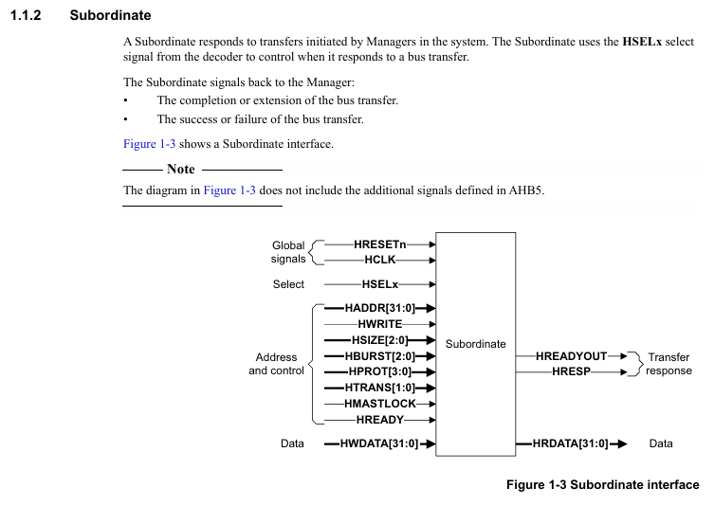

 |  |  |  |  |  |  | unaligned
 |  |  |  |  |  |  | cận biên

 |  |  |  |  |  |  | nếu đặt addr là 1, thì 4 thằng cuối là 1,

